Preseason forecasts
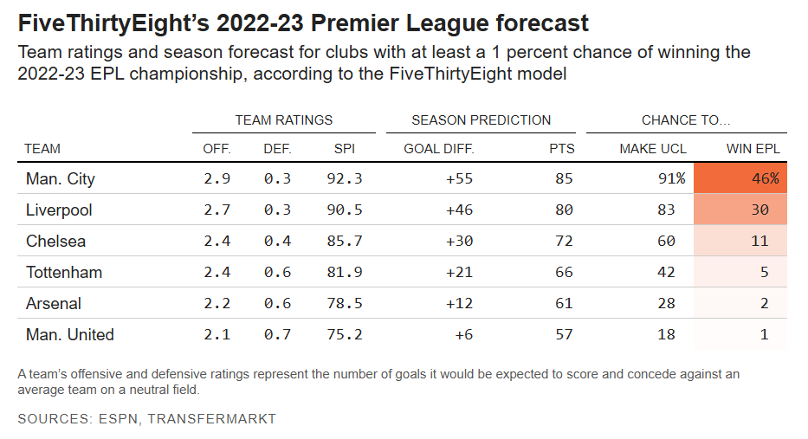
Preseason Predictions
Below is the forecast conducted by sports analysts at ESPN and Transfermarkt for the final 2022-23 season standings. We can see that Arsenal are predicted to finish with 61 points, with a 2% chance of winning the league. By comparison, eventual title rivals Manchester City were predicted to finish with 85 points.
This shows that Arsenal were not seen as title challengers before the season started, and were predicted by experts to finish in the region of 24 points behind.

'Bottled it' or regression to expectation?
Arsenal fell short in the 2022-23 title race after leading comfortably until the final 2 months of the season. They led by 8 points after 29 games played, ahead of Man City who had played 28.
A popular narrative in the media was that we had seen a psychological collapse under pressure. But does the evidence support this? From an empiracle and analytical perspective, could it be that Arsenal were simply overhauled by a superior Manchester City team as the full length of the season unfolded, and this was a normal regression towards their expected performance level?

Expected vs Actual points
Arsenal's Hot Start
- I looked at Arsenal's first 10 home games, and first 10 away games to compare their results to the expected results.
- To produce outcome probabilities for each game I took the prematch odds from Pinnacle and converted them to approximate true prices by removing the typical overround. These were then converted to probabilities.
$p=\frac{1}{decimal odds}$
Once we know the true probabilities of each result, we can find Arsenal's expected points for each game.
The formula is:
(3 x Arsenal win probability) + (1 x draw probability)
We can see clearly that Arsenal outperformed bookmakers' expectations by approximately 13 points over their first 20 games.
This is even allowing for the fact that odds thoughout the season did not fully reflect the low preason expectations of Arsenal - as their strong performances would have resulted in shorter odds as the season progressed.
Date | HomeTeam | AwayTeam | Home Goals | Away Goals | Home Odds* | Draw Odds | Away Odds | Arsenal Win Prob. | Draw Prob. | Expected Points | Actual Points
2022-08-13 | Arsenal | Leicester | 4 | 2 | 1.62 | 4.44 | 6.36 | 61.73% | 22.52% | 2.08 | 3
2022-08-27 | Arsenal | Fulham | 2 | 1 | 1.37 | 6.02 | 10.07 | 72.99% | 16.61% | 2.36 | 3
2022-08-31 | Arsenal | Aston Villa | 2 | 1 | 1.53 | 4.77 | 7.11 | 65.36% | 20.96% | 2.17 | 3
2022-10-01 | Arsenal | Tottenham | 3 | 1 | 2.2 | 3.72 | 3.62 | 45.45% | 26.88% | 1.63 | 3
2022-10-09 | Arsenal | Liverpool | 3 | 2 | 2.76 | 3.72 | 2.75 | 36.23% | 26.88% | 1.36 | 3
2022-10-30 | Arsenal | Nott'm Forest | 5 | 0 | 1.23 | 7.71 | 17.56 | 81.30% | 12.97% | 2.57 | 3
2022-12-26 | Arsenal | West Ham | 3 | 1 | 1.56 | 4.59 | 7.02 | 64.10% | 21.79% | 2.14 | 3
2023-01-03 | Arsenal | Newcastle | 0 | 0 | 1.89 | 4.02 | 4.55 | 52.91% | 24.88% | 1.84 | 1
2023-01-22 | Arsenal | Man United | 3 | 2 | 1.94 | 4.04 | 4.3 | 51.55% | 24.75% | 1.79 | 3
2023-02-11 | Arsenal | Brentford | 1 | 1 | 1.5 | 4.92 | 7.55 | 66.67% | 20.33% | 2.20 | 1
2022-08-05 | Crystal Palace | Arsenal | 0 | 2 | 4.55 | 3.72 | 1.96 | 51.02% | 26.88% | 1.80 | 3
2022-08-20 | Bournemouth | Arsenal | 0 | 3 | 7.4 | 4.9 | 1.52 | 65.79% | 20.41% | 2.18 | 3
2022-09-04 | Man United | Arsenal | 3 | 1 | 2.77 | 3.65 | 2.75 | 36.36% | 27.40% | 1.36 | 0
2022-09-18 | Brentford | Arsenal | 0 | 3 | 4.48 | 3.95 | 1.91 | 52.36% | 25.32% | 1.82 | 3
2022-10-16 | Leeds | Arsenal | 0 | 1 | 5.99 | 4.55 | 1.63 | 61.35% | 21.98% | 2.06 | 3
2022-10-23 | Southampton | Arsenal | 1 | 1 | 6.02 | 4.52 | 1.65 | 60.61% | 22.12% | 2.04 | 1
2022-11-06 | Chelsea | Arsenal | 0 | 1 | 2.81 | 3.5 | 2.8 | 35.71% | 28.57% | 1.36 | 3
2022-11-12 | Wolves | Arsenal | 0 | 2 | 6.2 | 4.4 | 1.64 | 60.98% | 22.73% | 2.06 | 3
2022-12-31 | Brighton | Arsenal | 2 | 4 | 3.7 | 3.65 | 2.2 | 45.45% | 27.40% | 1.64 | 3
2023-01-15 | Tottenham | Arsenal | 0 | 2 | 3.4 | 3.7 | 2.3 | 43.48% | 27.03% | 1.57 | 3
 |  |  |  |  |  |  |  | Total |  | 38.03 | 51

Arsenal vs Man City (Feb 2023)
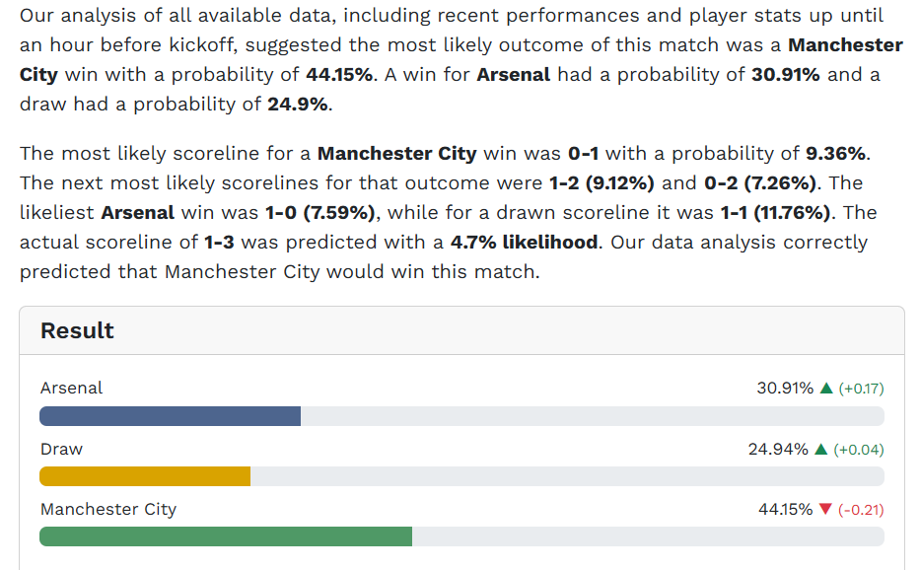
Head to Head
Arsenal played Man City at home on 15th February 2023. Going into the game, Arsenal led City by 3 points, with one game in hand.
Assuming two teams are equally matched, the home team theoretically has approximately a 40-45% chance of winning of winning a game in the premier league. But if we look at the decimal odds (again with overround removed):
Arsenal 3.05 Draw 3.5 Man City 2.46
Arsenal are given less than a 33% chance of winning. City are favourites in the game with about a 39% chance of winning.
Analysis shown on the left from analysts ar SportsMole gives Man City even greater supremacy in the game.
This shows that even after their very strong start to the season, and being top of the standings after 21 games, Arsenal were still underdogs in a home game against their title rivals.
This does not suggest a team that collapsed under pressure, but one that could only overperform its true strength for so long.

Expected Goals
Expected Goals form
Expected goals (xG) has become a well know stat in recent seasons. It is an imperfect, but useful, indicator of match dominance that measure the quality of chances created by each team.
I have drawn two important observations about Arsenal's season using xG.
1. They played the majority of the season very strongly by xG, although still significantly less strongly than Man City. They had a Xg of +30.8 after 29 games, behind City's 37.4.
This shows that despite building an 8 points lead in the standings, Arsenal were performing less strongly than City by expected goals. This suggests that they would fall behind after a large enough sample size of games, where the randomness of chance to goal conversion would be less of a factor.
2. Arsenal's xG sank to just +1.9 over the final 9 games - suggesting a significant drop in form. This appears to be a point in favour of the 'bottled it' hypothesis.
First 29 Games

Last 9 Games

Conclusion
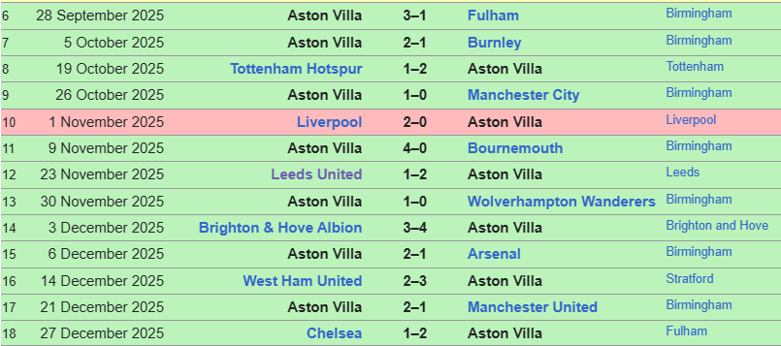
I argue that Arsenal's downturn was not particularly remarkable, especially for a team that had previously been way ahead of expectations, had a thin squad, and suffered a key injury to William Saliba. The randomness of indivual games, coupled with injuries, individual errors etc, can lead to a cluster of bad results.
This season (2025-25) for example, Aston Villa will finish in the champions league positions. But other than a run of 12 wins in 13 games in October-December (shown on the right), their results have been below average. We do not need to find specific reasons for this. Probably, none exist. This is simply the nature of results though the course of a season.
A team's true level emerges more clearly of the the full course of a 38 game season. Which is what happened in the case of Arsenal in 2022-23

